Figures
Figures (identical to the figures in the lab report)


Figure 1. Stimulus - Sinusoidal grating with a Gaussian mask with a Right tilt

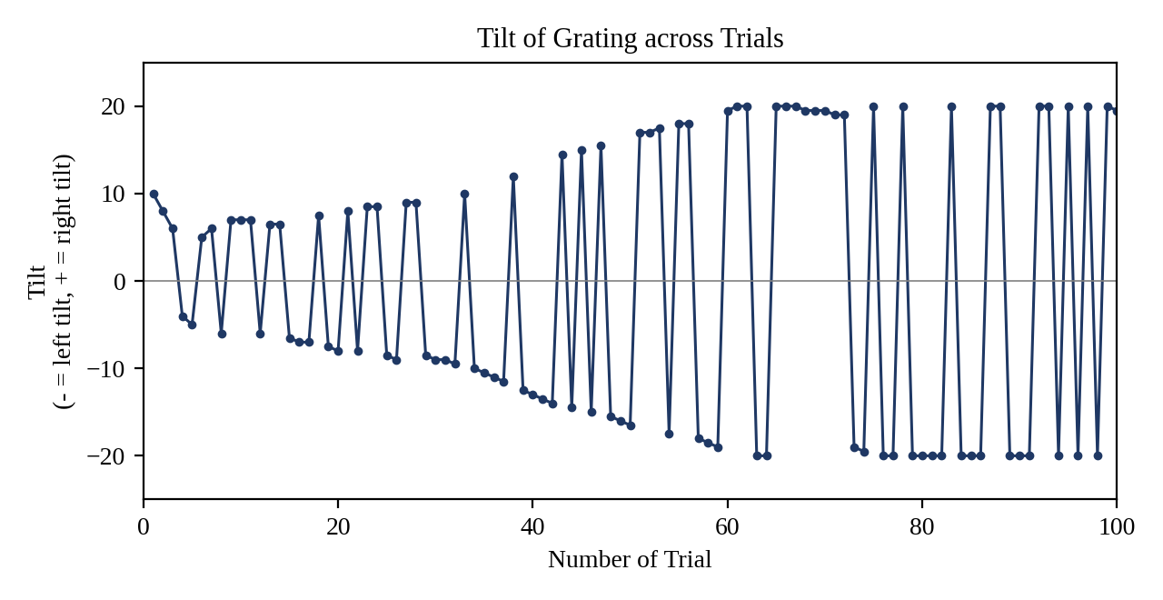

Figure 2. A graph representing the changes in tilt across the 100 trials of the procedure.

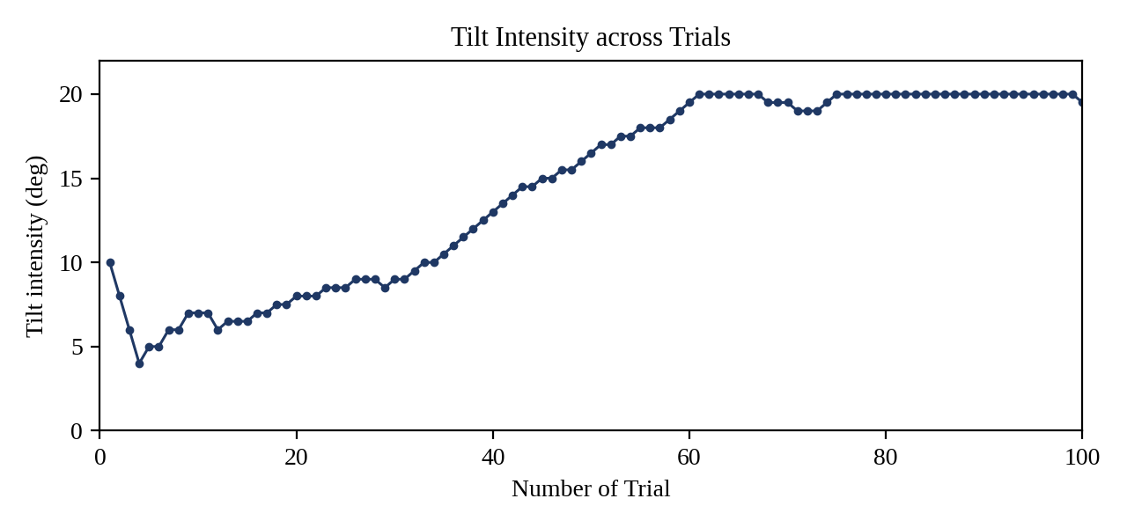

Figure 3. A graph representing the tilt intensity (without direction) across the 100 trials of the procedure.

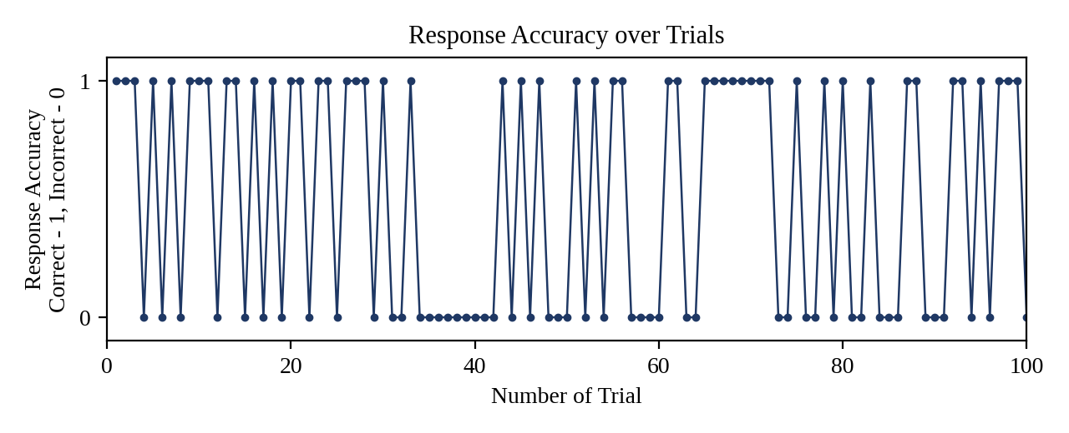

Figure 4. Graph representing the accuracy of responses over the 100 trials, as recorded by PsychoPy.

